1. Title Page
[Project Name]

Project Name: Instacart Data Analysis
Date: 15/12/2024
Analyst Name: Lordson Obire

Contents:
Population Flow
Consistency checks
Wrangling steps
Column derivations
Visualizations
Recommendations

 | Data Source
 | “The Instacart Online Grocery Shopping Dataset 2017”, Accessed from www.instacart.com/datasets/grocery-shopping-2017 via Kaggle on 9/4/2024.
 | The customer data you explored, as well as the “prices” column in the products data set, were both fabricated for the purpose of this course

2. Population Flow
Title page

Population flow

Exclusion flag
Condition: max_order < 5
Obervations to be removed: 2,311,956
Final total count of order_products_all: 30,328,763

Orders_products_combined
Orders_products_merged
Orders_products_all

Total:30,328,763
Total: 30,356,421
Total:30,328,763

1.) The grey boxes in the first row of the population flow represent the original data sets as they were when you downloaded them. In the Total fields you need to add the count of the rows when you imported the data set into Jupyter.
2.) The second row of boxes (coloured) represents the data sets after you manipulated them, e.g., removed missing values and duplicates. In the Total fields you need to add the count of the rows after conducting these operations. This offers a visual oveview of how the data flows throughout the data consistency checks.
3.) The third row, where also the arrows are coloured, represents the merges you performed between the datasets. In the Total fields you need to add the count of the rows in the merged datasets, so that you end up with the final dataset (in the red box). Keep in mind the final dataset should be without exclusions (based on the exclusion flag).

3. Consistency checks
 |  |  |  | Title page
Consistency checks

Dataset | Missing values | Missing values treatment | Duplicates
orders | 206,209 missing , 'days_since_prior_order'. | Dropped from dataframe. | No Duplicates.
products | 16 missing 'product name'. | Deleted missing rows. | 5 duplicate rows.
orders_products_prior | None. | None. | No Duplicates.
customers | 11259 missing in 'First Name' column. | Done nothing | No Duplicates.

4. Wrangling steps
 |  |  |  | Title page
Wrangling steps

Columns dropped | Columns renamed | Columns' type changed | Comment/Reason
 | order_dow' to 'orders_day_of_week' |  | Clarity
 |  | order_id | data type changed, interger to string
 |  | user_id | data type changed, integer to string
_merged |  |  | not needed
Unnamed : 0 |  |  | not needed
 | Surnam to Last name |  | Spell checking and using proper identifier
 | STATE to state |  | maintain proper casing
 | date_joined to Date Joined |  | maintain proper casing
 | n_dependants ro number_of_dependants |  | maintain proper naming convention
 | fam_status to Family Status |  | maintain proper naming convention
 | income to Income |  | maintain proper casing
First_name |  |  | To follow to pravacy policy
Last name |  |  | To follow to pravacy policy

5. Column derivations
 |  |  |  | Title page

Column derivations and aggregations

In this tab you should add tables below that the frequences of flags/label variables that you produced after deriving them. NB: don't do this for continuous variables, only for flags.
Dataset | New column | Column/s it was derived from | Conditions
ords_prods_merge | price_range_loc | prices | if row['prices'] <=5: return 'Low-range product' elif(row['prices'] >5) and (row['prices'] <= 15): return 'Mid-range product' elif row['prices'] > 15: return 'High range' else: return 'Not enough data'
ords_prods_merge | busiest_day | order_day_of_week | if value == 0: result.append("Busiest day") elif value == 4: result.append("Least busy") else: result.append("Regularly busy")
ords_prods_merge | busiest_days | order_day_of_week | if value == 0 or value == 1: result_2.append("Busiest days") elif value == 4 or value == 3: result_2.append("Least busy") else: result_2.append("Regularly busy")
ords_prods_merge | busiest_period_of_day | order_hour_of_day | for value in ords_prods_merge["order_hour_of_day"]: if value in [10,11,14,15,13,12,16,9]: result_3.append("Most orders") elif value in [23,6,0,1,5,2,4,3]: result_3.append("Fewest orders") else: result_3.append("Average orders")
ords_prods_merge | loyalty_flag | max_order | ords_prods_merge.loc[ords_prods_merge['max_order'] > 40, 'loyalty_flag'] = 'Loyal customer' ords_prods_merge.loc[(ords_prods_merge['max_order'] <= 40) & (ords_prods_merge['max_order'] > 10), 'loyalty_flag'] = 'Regular customer' ords_prods_merge.loc[ords_prods_merge['max_order'] <= 10, 'loyalty_flag'] = 'New customer'
ords_prods_merge | spending_flag | avg_product_price | ords_prods_merge.loc[ords_prods_merge['avg_product_price'] >= 10, 'spending_flag'] = 'High spender' ords_prods_merge.loc[ords_prods_merge['avg_product_price'] < 10, 'spending_flag'] = 'Low spender'
ords_prods_merge | order_frequency_flag | median_days_between_orders | ords_prods_merge.loc[ords_prods_merge['median_days_between_orders'] > 20, 'order_frequency_flag'] = 'Non-frequent customer' ords_prods_merge.loc[(ords_prods_merge['median_days_between_orders'] <= 20) & (ords_prods_merge['median_days_between_orders'] > 10), 'order_frequency_flag'] = 'Regular customer' ords_prods_merge.loc[ords_prods_merge['median_days_between_orders'] <= 10, 'order_frequency_flag'] = 'Frequent customer'
df_fullmerged | region | state | if value in ('Maine' 'New Hampshire' 'Vermont' 'Massachusetts' 'Rhode Island' 'Connecticut' 'New York' 'Pennsylvania' 'New Jersey' ) : result.append('Northeast') elif value in ('Wisconsin' 'Michigan' 'Illinois' 'Indiana' 'Ohio' 'North Dakota' 'South Dakota' 'Nebraska' 'Kansas' 'Minnesota' 'Iowa' 'Missouri' ) : result.append('Midwest') elif value in ('Delaware' 'Maryland' 'District of Columbia' 'Virginia' 'West Virginia' 'North Carolina' 'South Carolina' 'Georgia' 'Florida' 'Kentucky' 'Tennessee' 'Mississippi' 'Alabama' 'Oklahoma' 'Texas' 'Arkansas' 'Louisiana' ) : result.append('South') elif value in ('Idaho' 'Montana' 'Wyoming' 'Nevada' 'Utah' 'Colorado' 'Arizona' 'New Mexico' 'Alaska' 'Washington' 'Oregon' 'California' 'Hawaii' ) : result.append('West') else : result.append('Not a region')
df_fullmerged+B34 | activity_flag | max_order | df_fullmerged.loc[df_fullmerged['max_order'] < 5, 'activity_flag'] = 'low-activity customer' df_fullmerged.loc[df_fullmerged['max_order'] >= 5, 'activity_flag'] = 'high-activity customer'
df_filtered | Age_group | Age | df_filtered.loc[df_filtered['Age'] <= 25, 'Age_group'] = 'Young adult' df_filtered.loc[(df_filtered['Age'] > 25) & (df_filtered['Age'] <= 44), 'Age_group'] = 'Adult' df_filtered.loc[(df_filtered['Age'] > 44) & (df_filtered['Age'] <= 64), 'Age_group'] = 'Middle-aged' df_filtered.loc[df_filtered['Age'] > 64, 'Age_group'] = 'Senior'
df_filtered | income_group | income | df_filtered.loc[df_filtered['Income'] <= 55000, 'income_group'] = 'low-income' df_filtered.loc[(df_filtered['Income'] > 55000) & (df_filtered['Income'] <= 150000), 'income_group'] = 'middle-income' df_filtered.loc[df_filtered['Income'] > 150000, 'income_group'] = 'high-income'
df_filtered | dependants_flag | number of dependants | df_filtered.loc[df_filtered['number of dependants'] == 0, 'dependants_flag'] = 'no dependants' df_filtered.loc[df_filtered['number of dependants'] >= 1, 'dependants_flag'] = 'has dependants'

price_range_loc |  | spending_flag
Mid-range product 20462144 |  | Low spender 29730505
Low-range product 9476774 |  | High spender 598258
High-range product 389845 |  | Name: count, dtype: int64
Name: count, dtype: int64

busiest_day |  | order_frequency_flag
Regularly busy 20995145 |  | Frequent customer 20675290
Busiest day 5779087 |  | Regular customer 6594542
Least busy 3554531 |  | Non-frequent customer 3058931
Name: count, dtype: int64 |  | Name: count, dtype: int64

busiest_days |  | region
Regularly busy 12090838 |  | South 10099817
Busiest days 11082805 |  | West 7765088
Least busy 7155120 |  | Midwest 7107586
Name: count, dtype: int64 |  | Northeast 5356272
 |  | Name: count, dtype: int64
busiest_period_of_day
Most orders 19772790 |  | activity_flag
Average orders 9349786 |  | high-activity customer 29303281
Fewest orders 1206187 |  | low-activity customer 1025482
Name: count, dtype: int64 |  | Name: count, dtype: int64

loyalty_flag Regular customer 15081691 Loyal customer 10095381 New customer 5151691 Name: count, dtype: int64 |  | Age_group Middle-aged 9169173 Adult 8722963 Senior 7754560 Young adult 3656585 Name: count, dtype: int64

dependants_flag |  | income_group
has dependants 21978394 |  | middle-income 21414125
no dependants 7324887 |  | low-income 4199182
Name: count, dtype: int64 |  | high-income 3689974

6. Visualizations
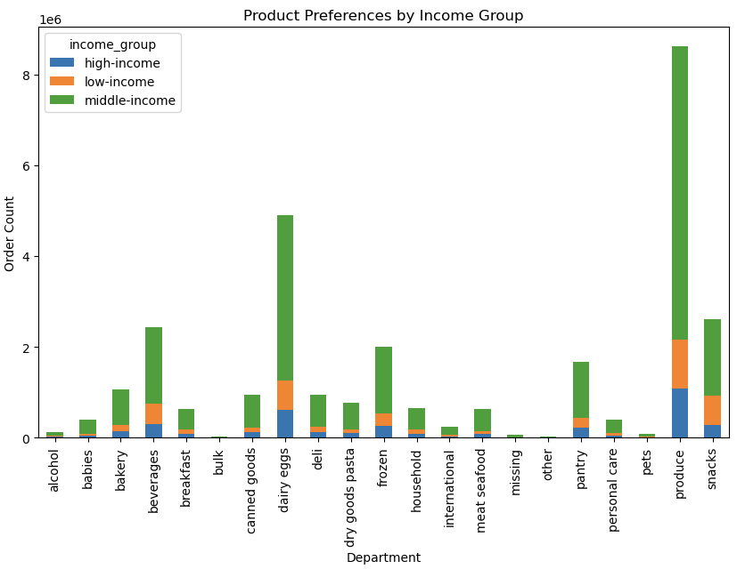
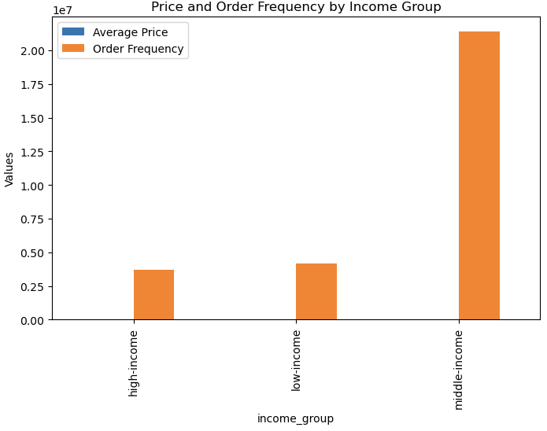
 | Title page

Visualisations

In this tab you should include all the visualtions from Exercises 4.9 and 4.10, alongside the questions from the project brief that they answer. Include any commentary on the relationship between different variables.

Question 1:
what the busiest days of the week and hours of the day are?
Saturdays and Sundays are the busiest days for orders, while Tuesday and Wednesday see lower activity.

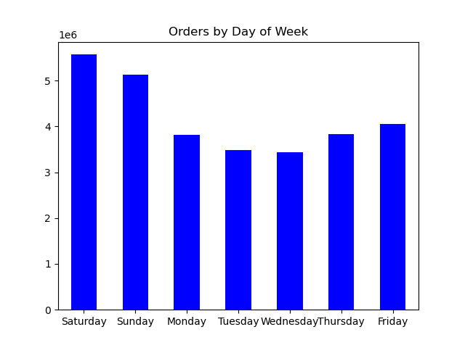
Peak ordering times are between 10 AM and 3 PM, with low volumes early in the morning and late at night.

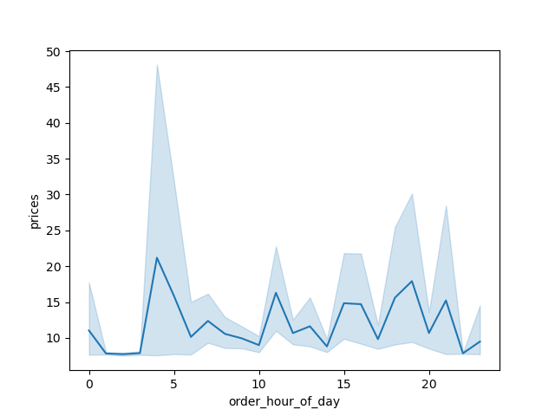
Question 2:
Are particular times of the day when people spend the most money?
People spend the most money during the early morning hours (around 5 AM) and in the late afternoon (4–6 PM). Spending is lower during midday and late-night hours.

Question 3:
Are there certain types of products that are more popular than others?
produce is the most popular product category, followed by dairy and eggs and snacks. Other categories like alcohol, pets, and bulk items have significantly fewer orders, indicating lower popularity.
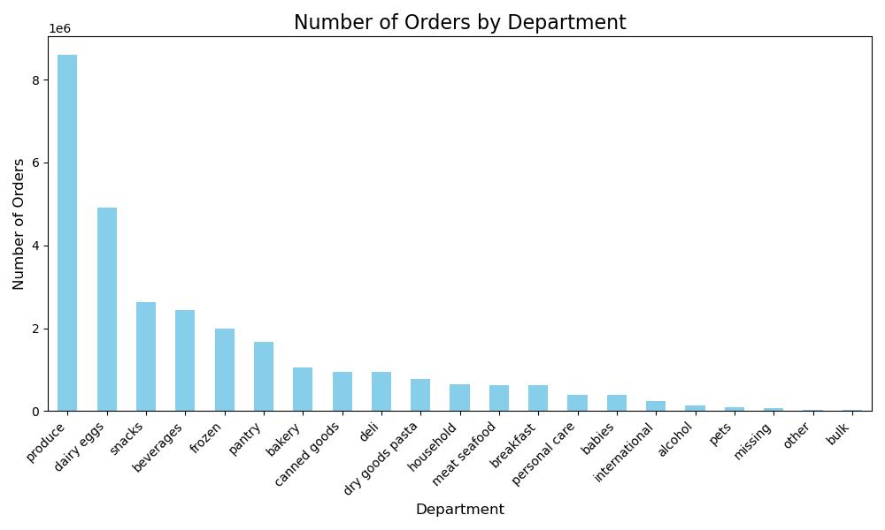

Question 4:
What’s the distribution among users in regards to their brand loyalty (i.e., how often do they return to Instacart)?
Middle-income, low-spending customers dominate across all age and loyalty groups, with regular customers forming the largest segment (~51%). Loyalty distribution remains consistent across age groups
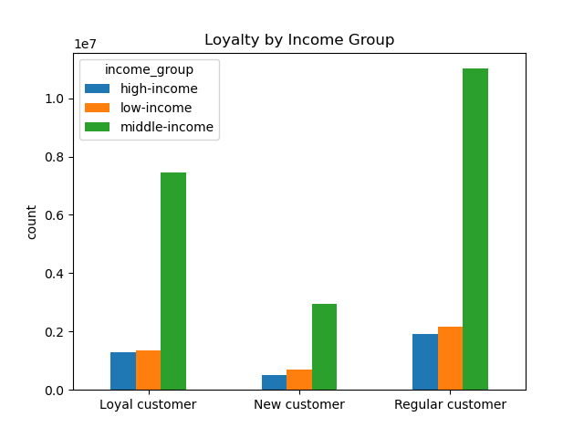
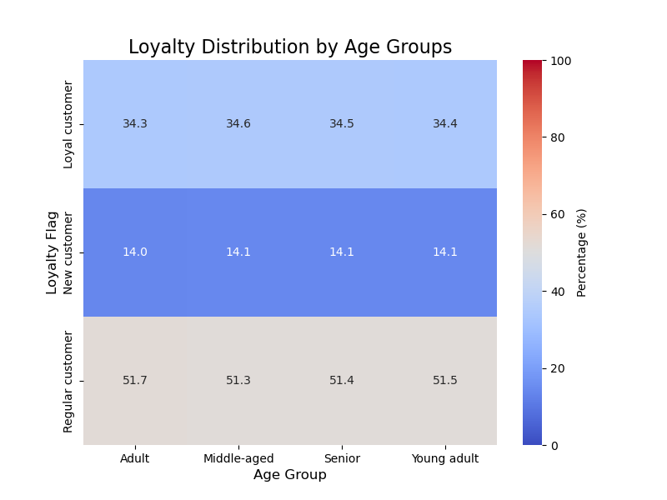

Question 5:
Are there differences in ordering habits based on a customer’s loyalty status?
Ordering habits show minimal variation across loyalty statuses, with most customers being low spenders regardless of loyalty level. Loyalty status does not significantly influence spending.
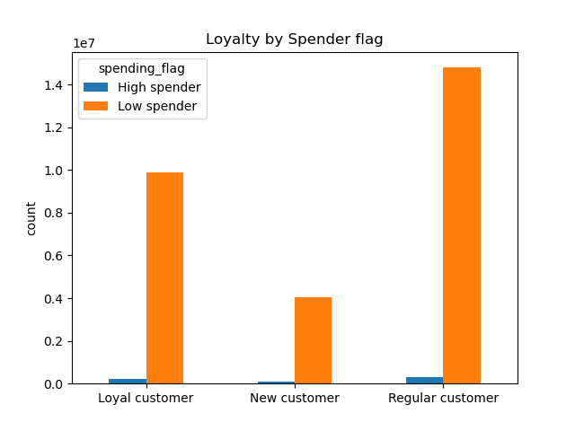

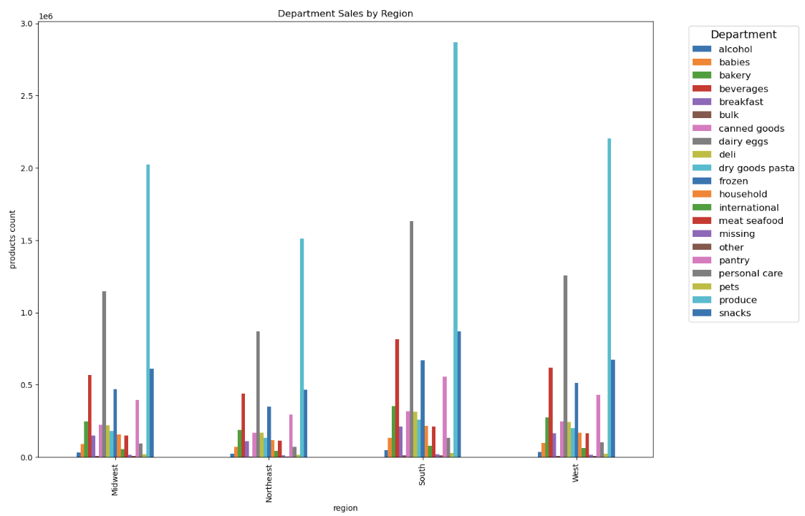
Question 6:
Are there differences in ordering habits based on a customer’s region?
Produce and dairy/eggs are the most ordered categories across all regions, with the South showing higher overall order activity compared to other regions.

Question 7:
Is there a connection between age and family status in terms of ordering habits?
Married and middle-aged adults dominate orders across loyalty groups, while young adults and seniors show varied contributions influenced by family status.
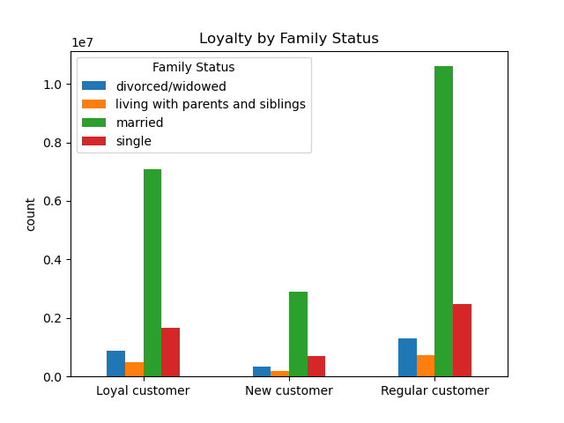
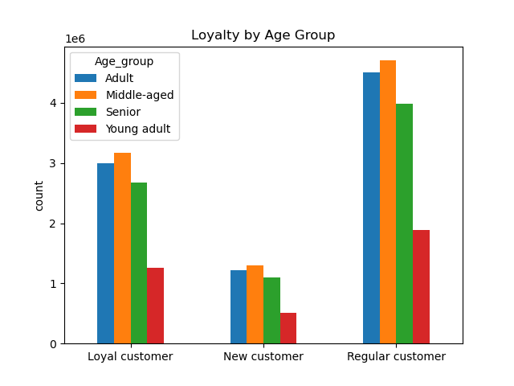

Question 8:
What different classications does the demographic information suggest? Age? Income? Certain types of goods? Family status?
Middle-aged and married customers with dependents dominate the customer base, indicating family-focused purchasing behaviors. Most customers fall in the middle-income group.
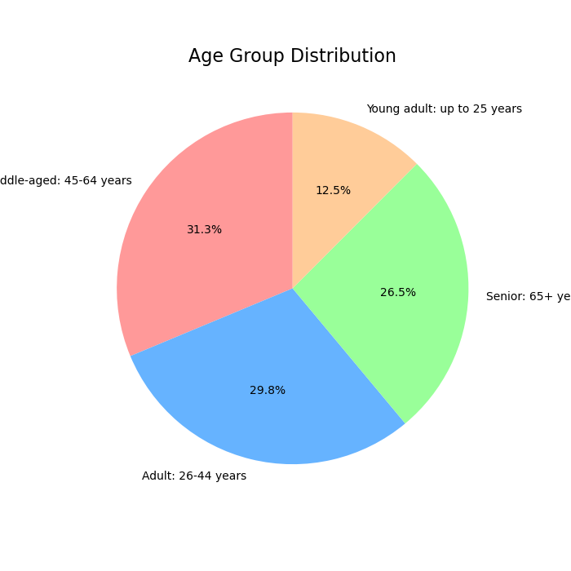
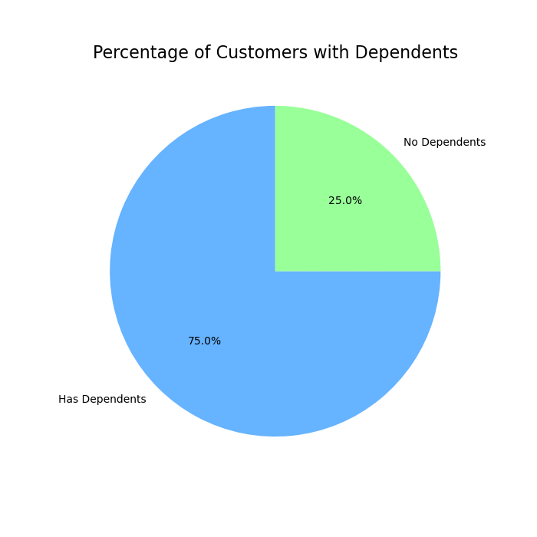
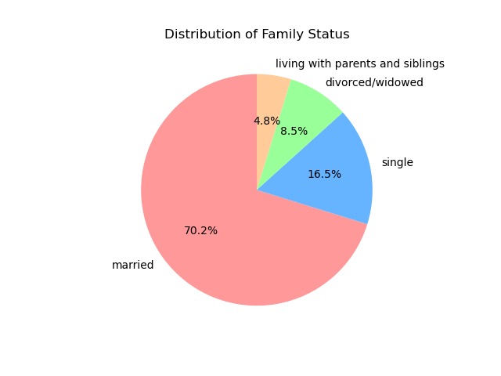

Question 9:
What differences can you find in ordering habits of different customer proles? Consider the price of orders, the frequency of orders, the products customers are ordering, and anything else you can think of.
Different customer profiles demonstrate varying ordering habits. Middle-income customers dominate in order frequency across most product categories, particularly in produce and dairy. Meanwhile, high-income customers tend to purchase higher-priced items less frequently.

7. Recommendations
 |  |  | Title page

Recommendations

In this tab you should include any recommendations you would made to Instcart in terms of their marketing strategy based on the questions posed in the brief. Every key question has been covered in the Tasks of the Exercises - here you need to add an item - a visualisation or table/crosstable that is showing the answer in the data, acompanied by a comment from you. Please, list the questions below and add the answer underneath.

Question | Answer | Recommendation
what the busiest days of the week and hours of the day are? | Saturdays and Sundays are the busiest days for orders, while Tuesday and Wednesday see lower activity. | Focus marketing efforts and promotions on weekends (Saturday and Sunday) to capitalize on higher customer activity. Offer targeted discounts or special deals mid-week (Tuesday and Wednesday) to boost sales during slower periods.
Are particular times of the day when people spend the most money? | People spend the most money during the early morning hours (around 5 AM) and in the late afternoon (4–6 PM). Spending is lower during midday and late-night hours. | To maximize revenue during peak spending hours, consider offering early morning promotions (around 5 AM) and late afternoon deals (4–6 PM). Use targeted marketing campaigns to encourage spending during quieter periods like midday and late-night hours.
Are there certain types of products that are more popular than others? | produce is the most popular product category, followed by dairy and eggs and snacks. Other categories like alcohol, pets, and bulk items have significantly fewer orders, indicating lower popularity. | To boost sales, focus on maintaining a strong inventory and promotions for popular categories like produce, dairy, and snacks. For less popular categories like alcohol and bulk items, consider targeted discounts or bundles to drive interest and increase sales.
What’s the distribution among users in regards to their brand loyalty (i.e., how often do they return to Instacart)? | Middle-income, low-spending customers dominate across all age and loyalty groups, with regular customers forming the largest segment (~51%). Loyalty distribution remains consistent across age groups | To improve brand loyalty, consider targeted strategies for regular customers, such as loyalty rewards or personalized promotions. Focus on engaging middle-income and low-spending customers with incentives to increase their spending and encourage repeat purchases.
Are there differences in ordering habits based on a customer’s loyalty status? | Ordering habits show minimal variation across loyalty statuses, with most customers being low spenders regardless of loyalty level. Loyalty status does not significantly influence spending. | Develop strategies beyond loyalty programs, such as personalized promotions or product recommendations, to encourage higher spending across all loyalty groups, focusing on converting low spenders into high spenders.
Are there differences in ordering habits based on a customer’s region? | Produce and dairy/eggs are the most ordered categories across all regions, with the South showing higher overall order activity compared to other regions. | Tailor marketing efforts in the South to reinforce its high activity while focusing on promoting produce and dairy/eggs in lower-activity regions to boost overall sales.
Is there a connection between age and family status in terms of ordering habits? | Married and middle-aged adults dominate orders across loyalty groups, while young adults and seniors show varied contributions influenced by family status. | Focus marketing efforts on married and middle-aged adults as they are the dominant customer segment, while tailoring promotions for young adults and seniors based on their specific family status and ordering behavior.
What different classications does the demographic information suggest? Age? Income? Certain types of goods? Family status? | Middle-aged and married customers with dependents dominate the customer base, indicating family-focused purchasing behaviors. Most customers fall in the middle-income group. | Target marketing strategies towards middle-income, middle-aged, married customers with dependents, emphasizing family-focused products to align with their purchasing behavior.
What differences can you find in ordering habits of different customer proles? Consider the price of orders, the frequency of orders, the products customers are ordering, and anything else you can think of. | Different customer profiles demonstrate varying ordering habits. Middle-income customers dominate in order frequency across most product categories, particularly in produce and dairy. Meanwhile, high-income customers tend to purchase higher-priced items less frequently. | Develop tailored promotions for middle-income customers on frequently purchased categories like produce and dairy, while introducing premium product campaigns targeting high-income customers to increase engagement and order frequency.

